Summary & Help
HPC Bridge Views Overall Summary/Grouping of Articles

Organization of the Spreadsheet

There are 16 tabs at the bottom of the spreadsheet, and these represent 16 groupings of articles. All of the tabs display information about the articles in that grouping (issue number, month of issue, and year of issue). The tabs are:

Bridges—Articles on specific bridges are listed alphabetically by bridge name;
ASR [Alkali-Silica Reactivity]—Articles on alkali-silica reactivity are listed and arranged numerically by year, with the most recent article appearing first;
Bridge Decks—Articles concerning bridge decks are listed and arranged numerically by year, with the most recent article appearing first;
Cements and SCMs [Supplementary Cementitious Materials]—Articles discussing cement and supplementary cementitious materials (such as fly ash, silica fume, and slag) are listed; they are arranged alphabetically by SCM/Cement topic;
Letters to Editor—Letters to the Editor and Author and/or Editor responses are listed; they are arranged by year of publication, with the most recent letter to the editor or response appearing first;
Lightweight—Articles describing lightweight concrete are listed; they are arranged by year of publication, with the most recent article appearing first;
Mass Concrete—Mass concrete articles are listed; they are arranged by year of publication, with the most recent article appearing first;
Material Properties—Articles discussing material properties of High Performance Concrete (HPC) are listed; they are grouped alphabetically by type of material property;
Misc. HPC—Miscellaneous HPC articles are listed—these are ones which did not fit in any other category of articles; they are arranged by year of publication, with the most recent article appearing first;
Q & A [Question and Answer]—Articles that ask a question and provide an answer on an HPC topic are listed; these are arranged alphabetically by the property that the question asks about;
SCC [Self-Consolidating Concrete]—Articles discussing self-consolidating concrete are listed; they are arranged by year of publication, with the most recent article appearing first;
State_Country—Articles describing HPC in a particular state of the U.S. or particular country are listed; they are arranged alphabetically by State/Country;
Specs [Specifications]—Articles concerning specifications for HPC are listed; they are arranged by year of publication, with the most recent article appearing first;
Structural Properties—Articles discussing structural properties of HPC are listed; they are grouped alphabetically by type of structural property;
Testing Methods—Articles describing tests that can be performed on HPC are listed; these are arranged alphabetically by the property being tested;
UHPC [Ultra-High Performance Concrete]—Articles concerning Ultra-High Performance Concrete are listed; they are arranged by year of publication, with the most recent article appearing first;

Searching Within the Spreadsheet

To search the spreadsheet for a particular topic, go to one of the tabs. Note that one search cannot be performed over all tabs of the spreadsheet at one time. A search will have to be done for a particular tab of the spreadsheet.
For example, a reader may want to find articles on bridge deck curing.
1. First go to the “Bridge Decks” tab.
2. Then click on “Find and Select” in the upper right-hand corner of the spreadsheet.
3. Click on “Find” from the drop-down menu. A “Find and Replace” dialog box should appear.
4. For this example, type in “curing” (note that this box is not case-sensitive).
5. Then click on the button that says “Find Next” (see Figure 1 below). The cursor should immediately go to the cell containing the title of the article “Specification Changes for HPC - Curing Concrete Bridge Decks.”
6. Click “Find Next” again. The cursor should advance to the next article involving curing, which is “Curing for HPC Bridge Decks-Bring on the Water!”
7. If the “Find Next” is selected again, the cursor will return to the first article it found “Specification Changes for HPC - Curing Concrete Bridge Decks.” This indicates that there are only two articles discussing curing of bridge decks.

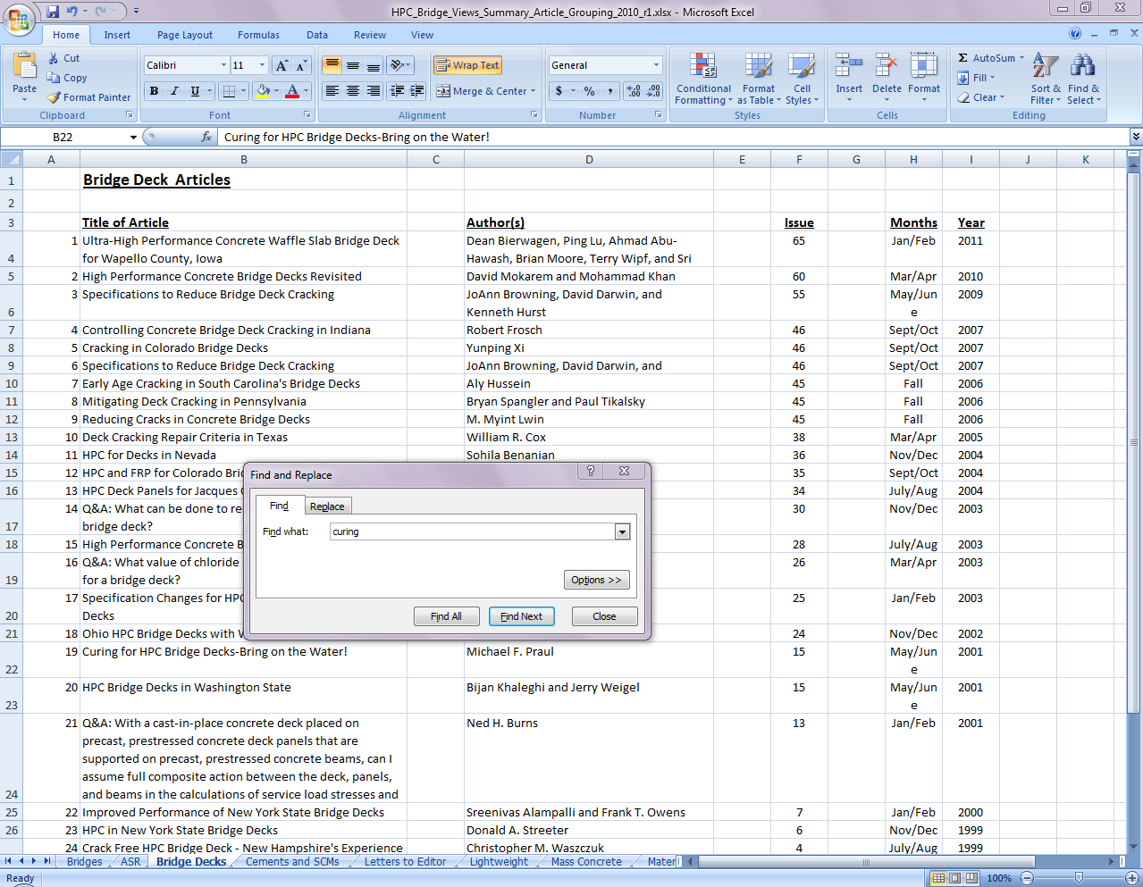

Figure 1. Search for “curing” on the “Bridge Decks” tab.

Sorting Within the Spreadsheet

The items on a particular tab can also be re-ordered or sorted by a new criteria.
For example, the “Bridges” tab lists articles on specific bridges, and is arranged alphabetically by bridge name. A reader can arrange this same list based on the state where the bridge is located.
1. First go to the “Bridges” tab.
2. Then move the cursor to the left-most corner of the data—for this example that would be cell B6, the name of the first bridge listed.
3. Then use the mouse or arrow keys to highlight all of the fields in the data range, starting with Column B and including all the way over to Column M, then going down from Row 6 to Row 102. Note that Column A simply lists the number of articles and does not need to be re-arranged or included in the data range in this example.
4. Now that the data range is highlighted, click on “Sort & Filter” in the upper-right hand corner of the spreadsheet.
5. Then click on “Custom Sort.” A “Sort” dialog box should appear.
6. In the choice for “Sort By” select “Column H” (which is “State”), “Values” and “A to Z.” This will sort the data alphabetically by state beginning with the letter “A.” Then click on the button “Add Level” within the “Sort” box. A row stating “Then By” should appear in the “Sort” dialog box. This allows the reader to do a second level of sorting.
7. Choose “Column B”, “Values”, and “A to Z” (see Figure 2 below).
8. Now it is time to perform the actual sort. Click on the “OK” button in the “Sort” dialog box. The “Bridges” tab will now be rearranged so that it is ordered alphabetically by state, and then alphabetically by bridge name within each state.

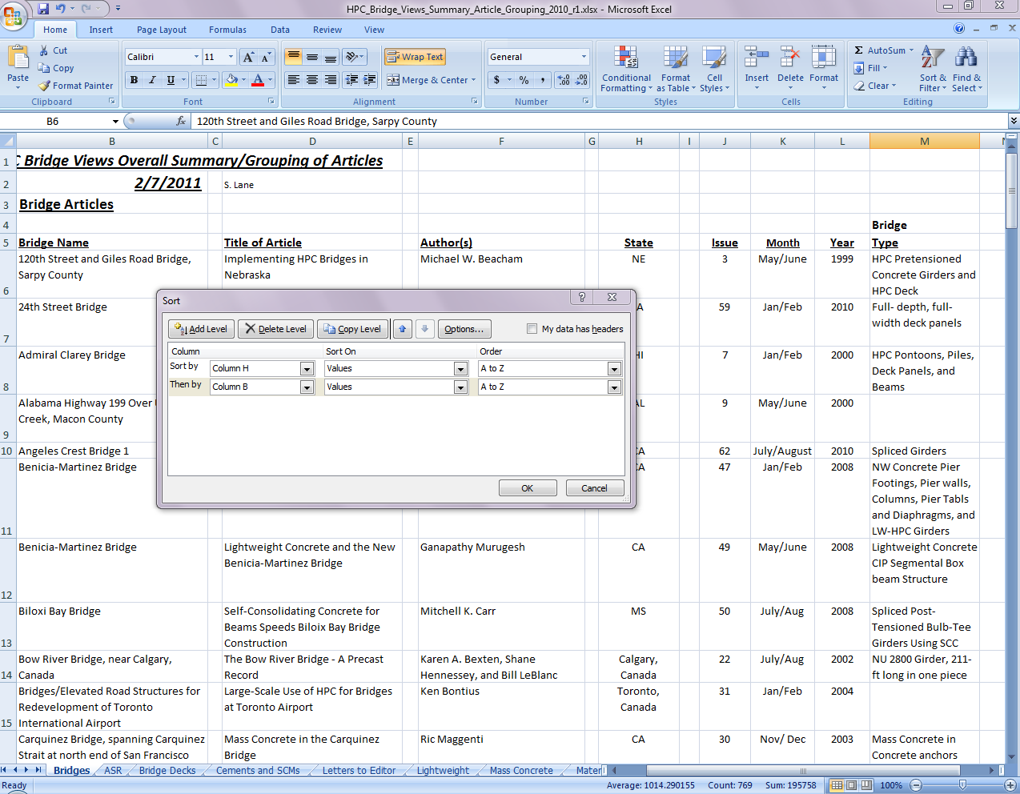

Figure 2. Sorting the “Bridges” tab by “State” and then by “Bridge Name.”

